OFFER STOCK
Product Code | Description | Image | Singles | Inner Carton Qty | Outer Carton Qty | Image | QTY in Stock | RRP | Total RRP
NDP7-190-RED | 190mm Locking Nut Driver, 7mm Hex (Red/Black Handle) |  | Individually packed in poly bag. No Branding | 5 | 250 | 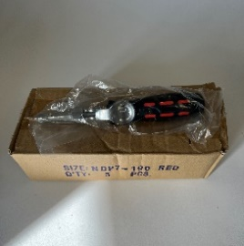 | 1388 | £9.00 | £12,492.00
NDP7-290-RED | 290mm Locking Nut Driver, 7mm Hex (Red/Black Handle) |  | Individually packed in poly bag | 5 | 125 | 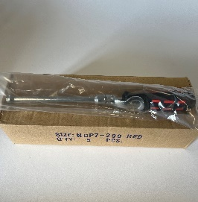 | 3952 | £15.00 | £59,280.00
NDP7-490-RED | 490mm Locking Nut Driver, 7mm Hex (Red/Black Handle) |  | Individually packed in poly bag | 6 | 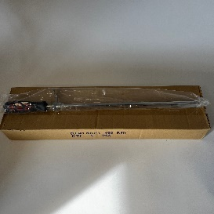 72 |  | 327 | £20.00 | £6,540.00
NDP7-SUPAFLEXI-360-RED | 360mm Flexible Locking Nut Driver, 7mm Hex |  | Individually packed in poly bag | 10 | 100 | 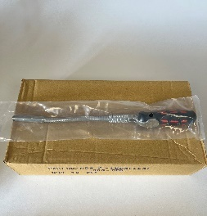 | 4400 | £40.00 | £176,000.00
LJ-9FJ | 9" LockJaw Forked Jaw Pliers | 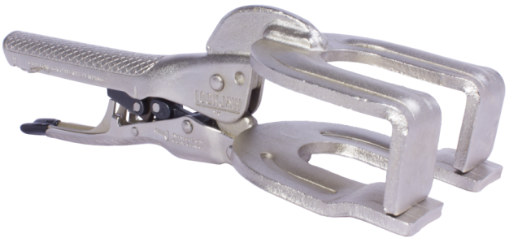 | Individually packed in poly bag | 6 | 36 | 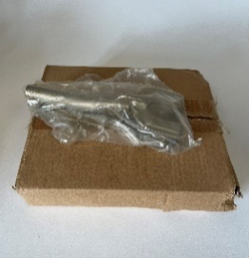 | 2376 | £25.00 | £59,400.00
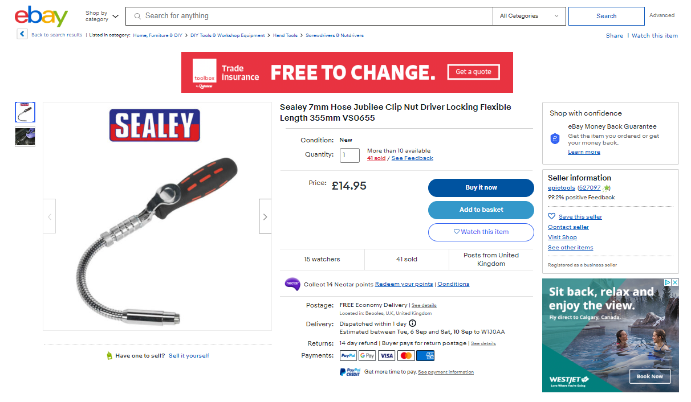
 |  |  |  |  |  |  | 12443 |  | Total RRP £
 |  |  |  |  |  |  |  |  | £313,712.00

